Test Cases
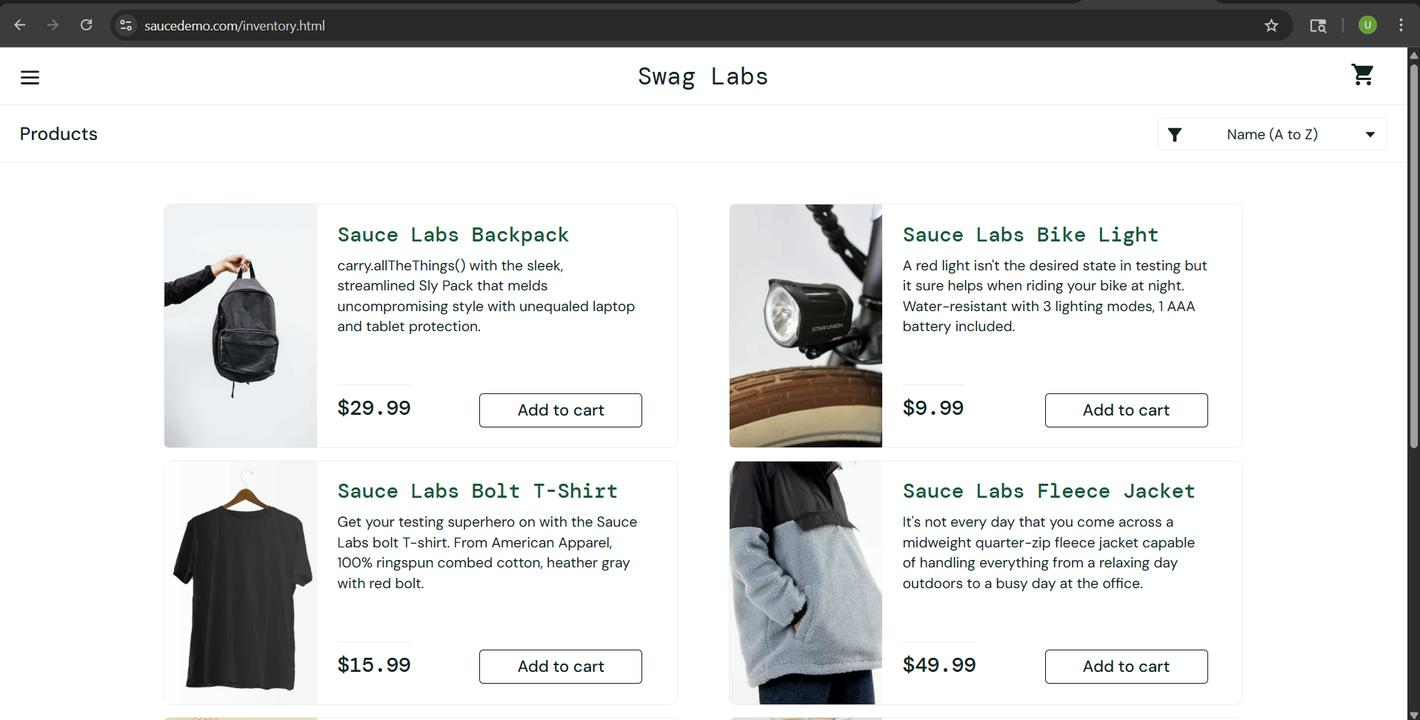
Test case description- Valid login
Testcase ID- TC01
Pre-requisite- Stable Internet Connection
Steps | Actions | Expected Result | Actual Result
1 | Launch URL @[SauceDemo(saucedemo.com)]
2 | Insert Username @[standard_user]
3 | Insert Password @[secret_sauce]
4 | Click on Login button | User is redirected to Products page | User is redirected to Products page

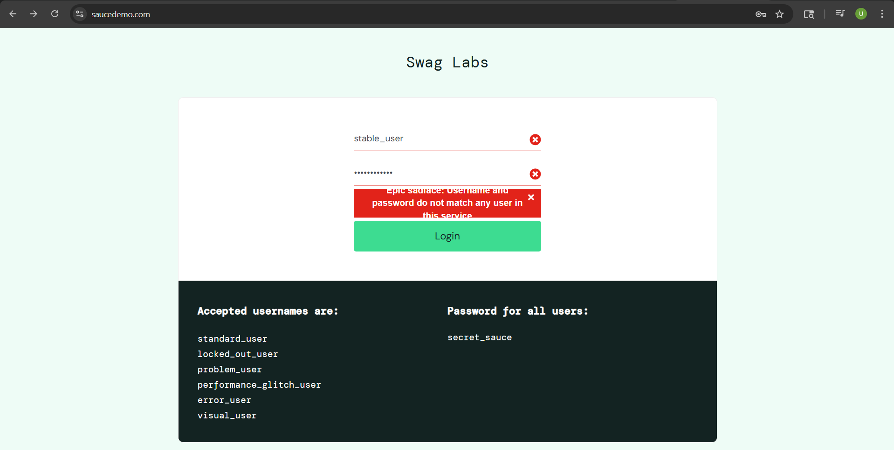
Test case description- Invalid login with wrong Username
Testcase ID- TC02
Pre-requisite- Stable Internet Connection
Steps | Actions | Expected Result | Actual Result
1 | Launch URL @[SauceDemo(saucedemo.com)]
2 | Insert Username @[incorrect_user]
3 | Insert Password @[secret_sauce]
4 | Click on Login button | Error message Displayed | Error message displayed

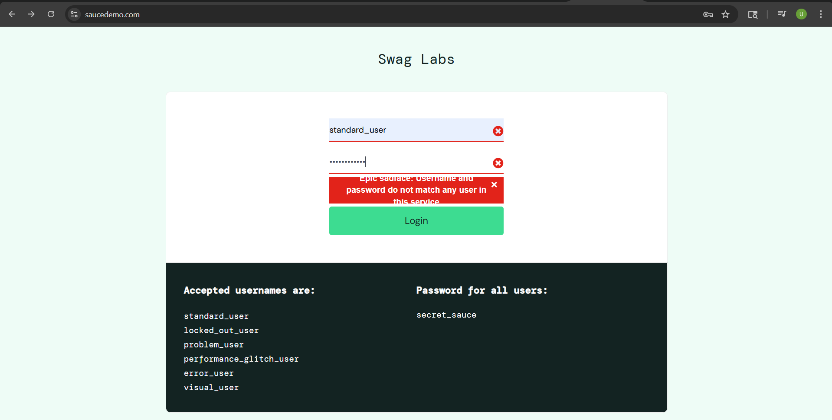
Test case description- Invalid login with wrong Password
Testcase ID- TC03
Pre-requisite- Stable Internet Connection
Steps | Actions | Expected Result | Actual Result
1 | Launch URL @[SauceDemo(saucedemo.com)]
2 | Insert Username @[standard_user]
3 | Insert Password @[secret-sauce]
4 | Click on Login button | Error message displayed | Error message displayed

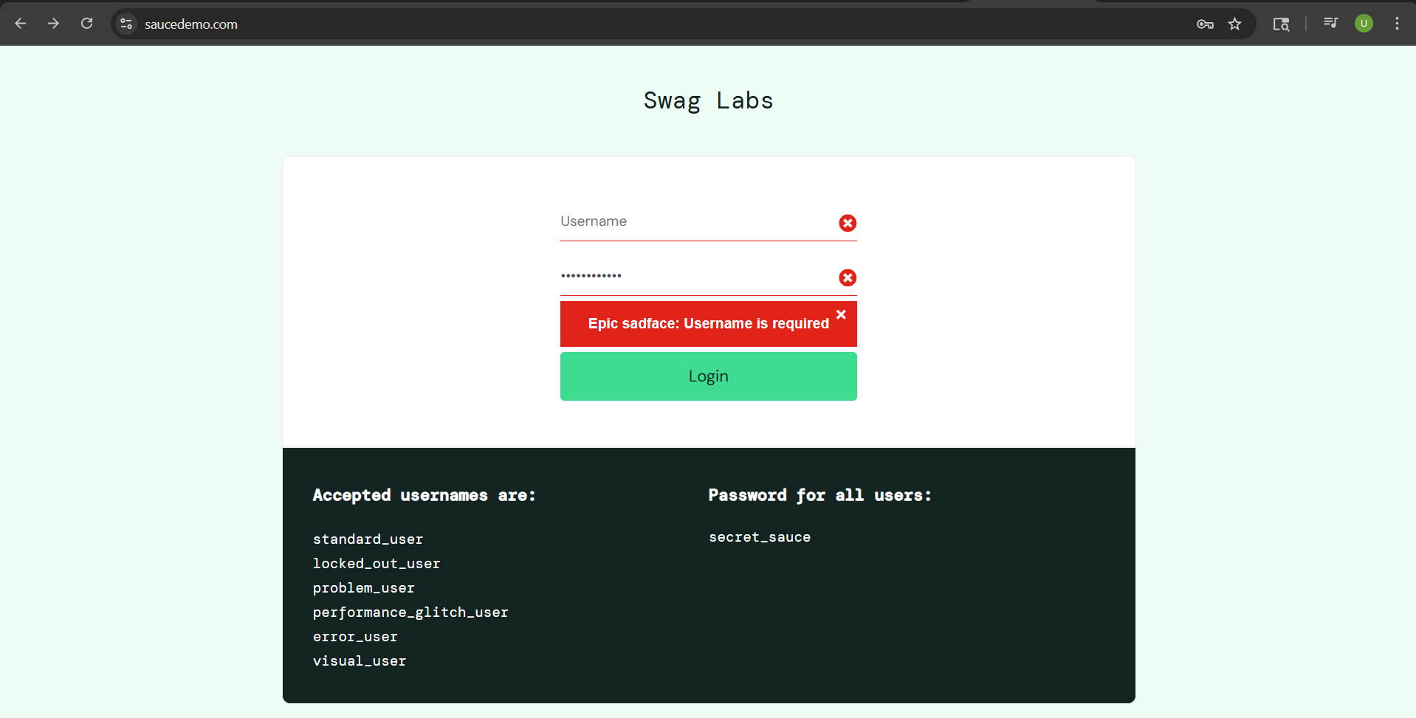
Test case description- Invalid login with missing Username
Testcase ID- TC04
Pre-requisite- Stable Internet Connection
Steps | Actions | Expected Result | Actual Result
1 | Launch URL @[SauceDemo(saucedemo.com)]
2 | Insert Password @[secret-sauce]
3 | Click on Login button | Error message displayed | Error message displayed

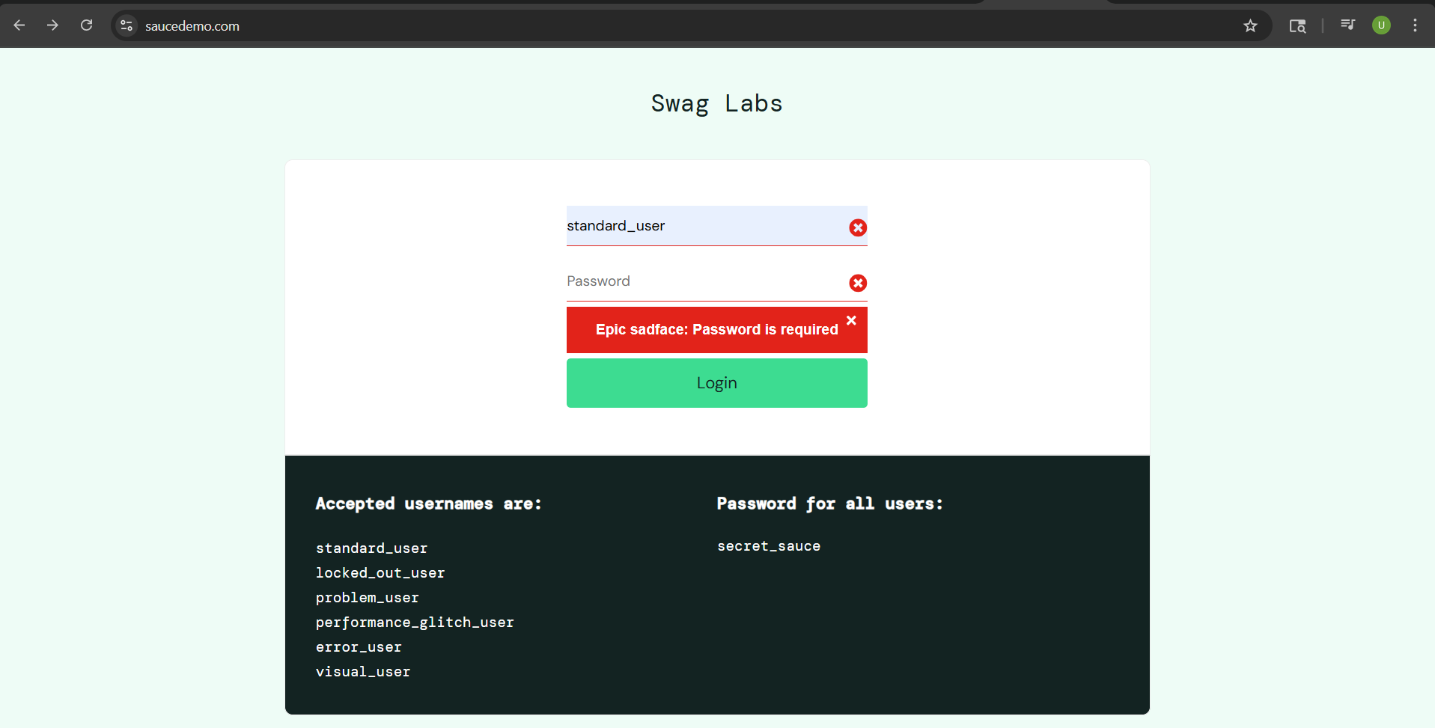
Test case description- Invalid login with missing Password
Testcase ID- TC05
Pre-requisite- Stable Internet Connection
Steps | Actions | Expected Result | Actual Result
1 | Launch URL @[SauceDemo(saucedemo.com)]
2 | Insert Username @[standard_user]
3 | Click on Login button | Error message displayed | Error message displayed

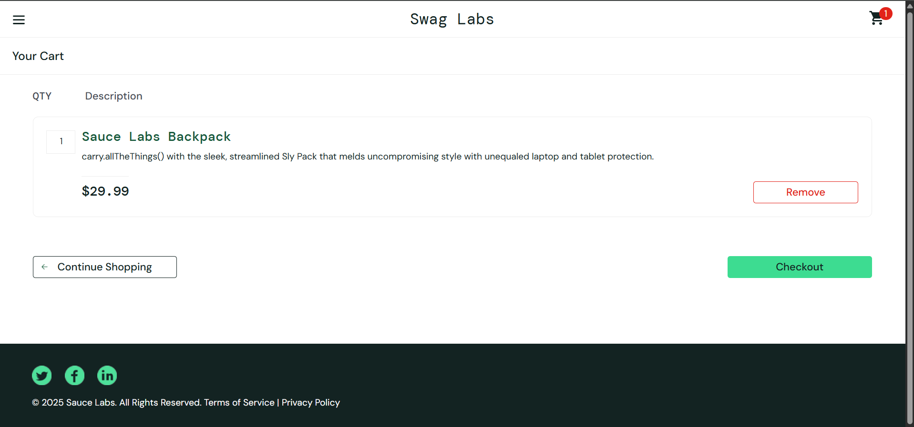
Test case description- User adds an item to cart
Testcase ID- TC06
Pre-requisite- Access to the system
Steps | Actions | Expected Result | Actual Result
1 | Launch URL @[SauceDemo(saucedemo.com)]
2 | Insert Username @[standard_user]
3 | Insert Password @[secret_sauce]
4 | Click on Add to Cart of item 'Sauce Labs Backpack'
5 | Click on Cart icon | Sauce Labs Backpack' is displayed in list of cart items | Sauce Labs Backpack' is displayed in list of cart items

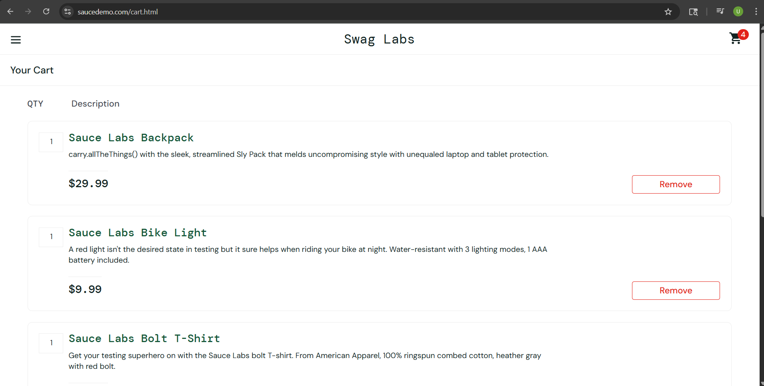
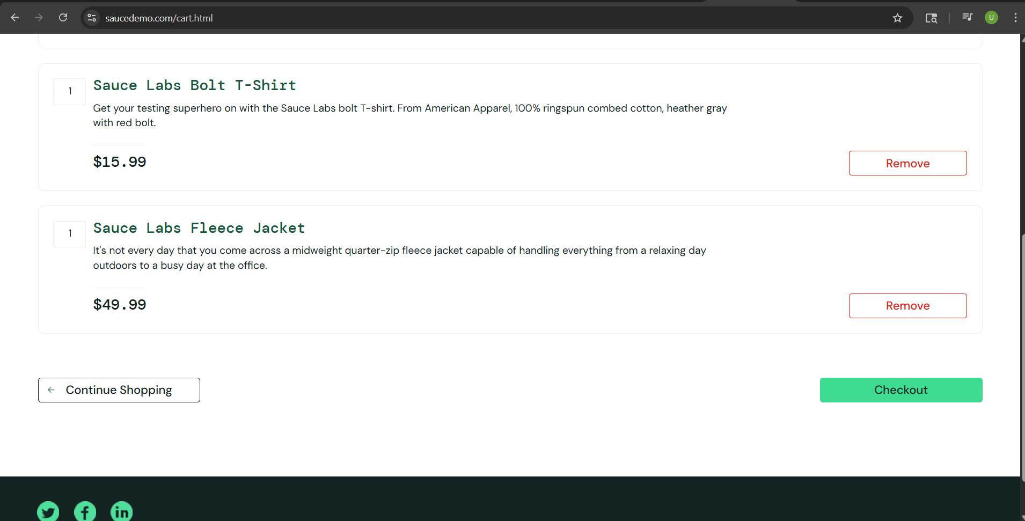
Test case description- User adds multiple items to cart
Testcase ID- TC07
Pre-requisite- Access to the system
Steps | Actions | Expected Result | Actual Result
1 | Launch URL @[SauceDemo(saucedemo.com)]
2 | Insert Username @[standard_user]
3 | Insert Password @[secret_sauce]
4 | Click on Add to Cart of item 'Sauce Labs Backpack', 'Sauce labs Bike Light', 'Sauce Labs T-Shirt', and 'Sauce labs Fleece Jacket'
5 | Click on Cart icon | Sauce Labs Backpack', 'Sauce labs Bike Light', 'Sauce Labs T-Shirt', and 'Sauce labs Fleece Jacket' is displayed in list of cart items | Sauce Labs Backpack', 'Sauce labs Bike Light', 'Sauce Labs T-Shirt', and 'Sauce labs Fleece Jacket' is displayed in list of cart items

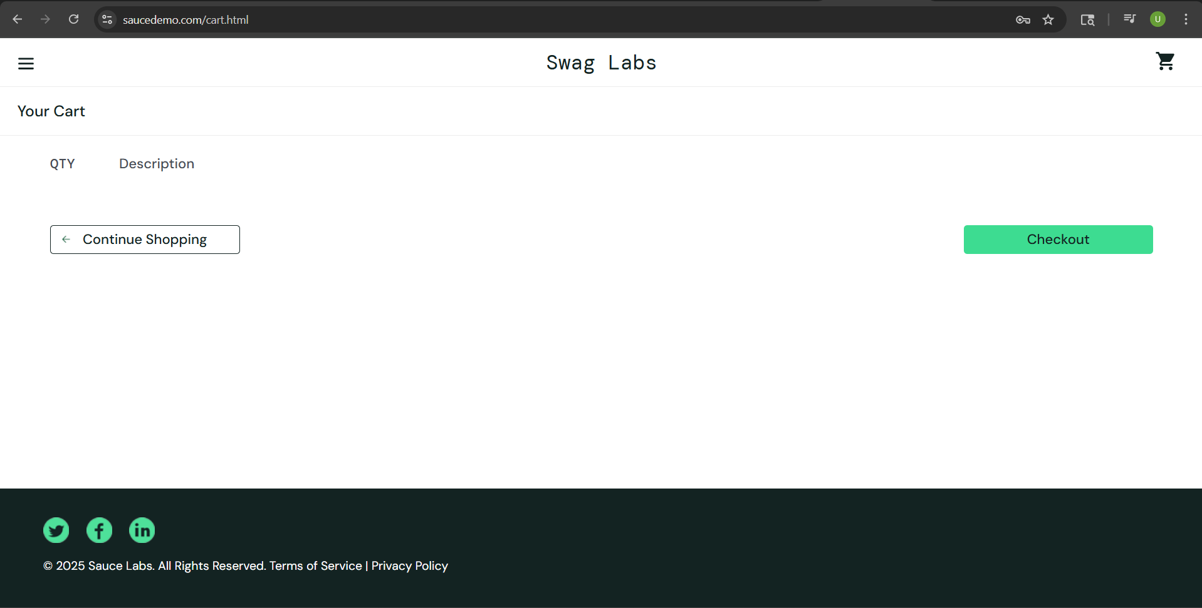
Test case description- User adds no items to cart
Testcase ID- TC08
Pre-requisite- Access to the system
Steps | Actions | Expected Result | Actual Result
1 | Launch URL @[SauceDemo(saucedemo.com)]
2 | Insert Username @[standard_user]
3 | Insert Password @[secret_sauce]
4 | Click on Cart icon | No items are displayed in cart | No items are displayed in cart

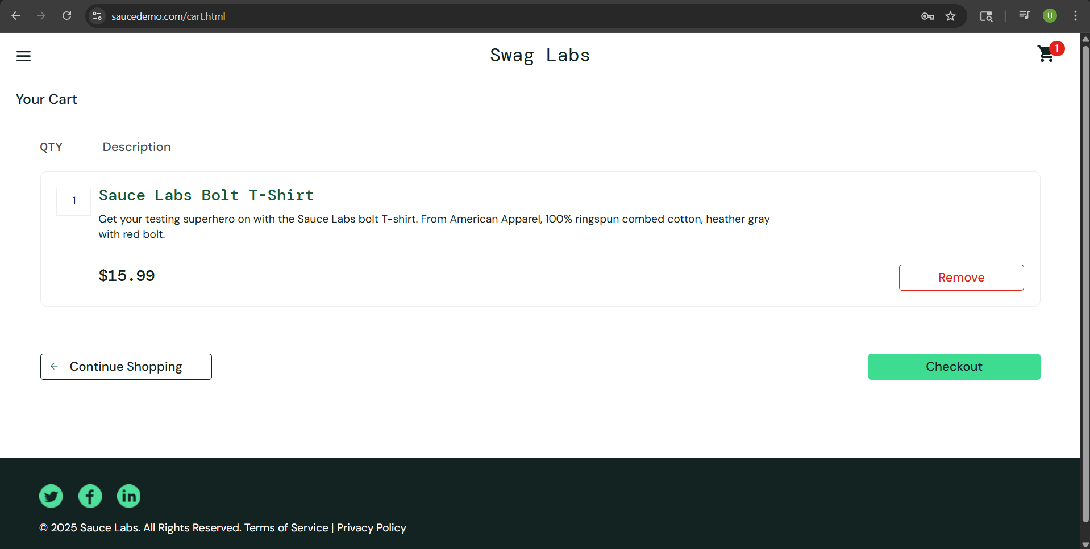
Test case description- User removes an item from cart
Testcase ID- TC09
Pre-requisite- Items in shopping cart
Steps | Actions | Expected Result | Actual Result
1 | Launch URL @[SauceDemo(saucedemo.com)]
2 | Insert Username @[standard_user]
3 | Insert Password @[secret_sauce]
4 | Click on Add to Cart of item 'Sauce Labs Backpack' and 'Sauce Labs T-Shirt'
5 | Click on Cart icon
6 | Click on Remove button of 'Sauce Labs Backpack' item | Sauce Labs T-Shirt' is displayed in list of cart items | Sauce Labs T-Shirt' is displayed in list of cart items

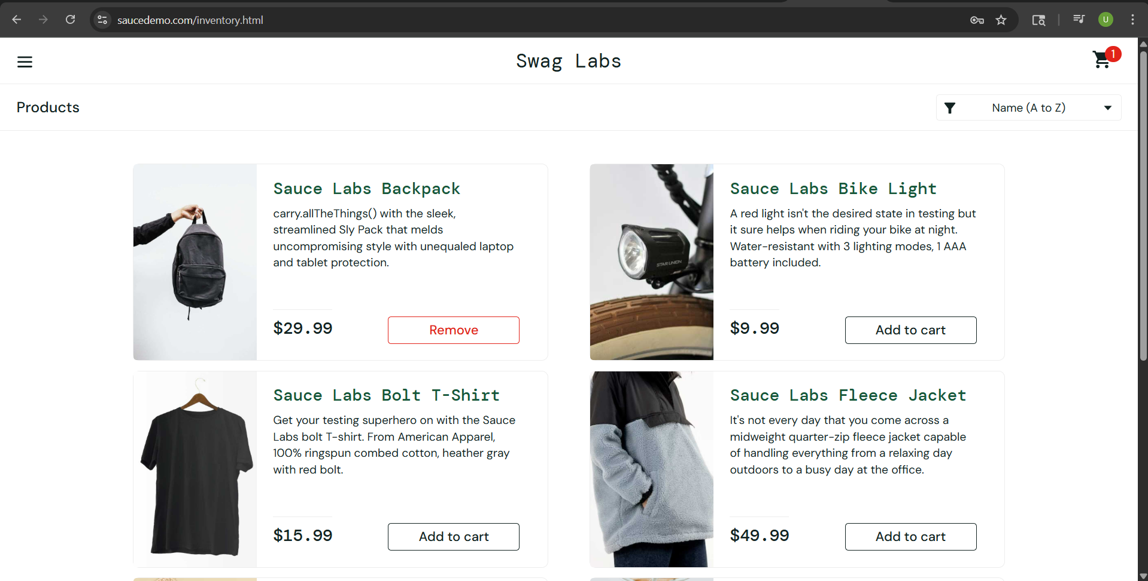
Test case description- Items remain in cart when navigating between pages
Testcase ID- TC10
Pre-requisite- Items in shopping cart
Steps | Actions | Expected Result | Actual Result
1 | Launch URL @[SauceDemo(saucedemo.com)]
2 | Insert Username @[standard_user]
3 | Insert Password @[secret_sauce]
4 | Click on Add to Cart of item 'Sauce Labs Backpack'
5 | Click on Cart icon
6 | Click on Continue Shopping button | A red badge showing the number of items is displayed on the cart icon and the 'Sauce Labs Backpack' item displays a Remove button | A red badge showing the number of items is displayed on the cart icon and the 'Sauce Labs Backpack' item displays a Remove button

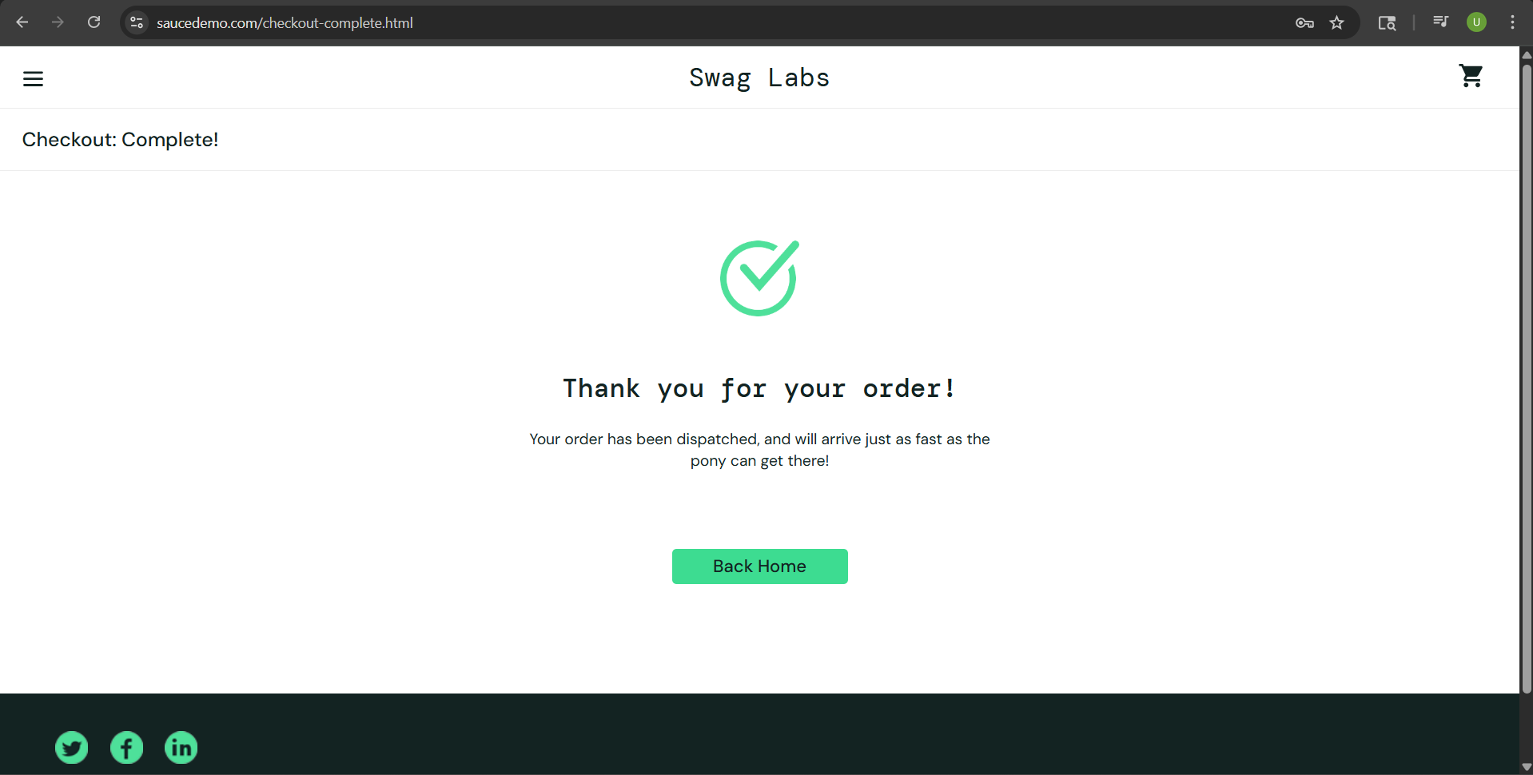
Test case description- Valid Checkout
Testcase ID- TC11
Pre-requisite- Items in shopping cart
Steps | Actions | Expected Result | Actual Result
1 | Launch URL @[SauceDemo(saucedemo.com)]
2 | Insert Username @[standard_user]
3 | Insert Password @[secret_sauce]
4 | Click on Add to Cart of item 'Sauce Labs Backpack'
5 | Click on Cart icon
6 | Click on Checkout button
7 | Insert First Name @[John]
8 | Insert Last Name @[Doe]
9 | Insert Zip/Postal Code @[90502]
10 | Click on Continue button | Order confimation message displayed | Order confimation message displayed

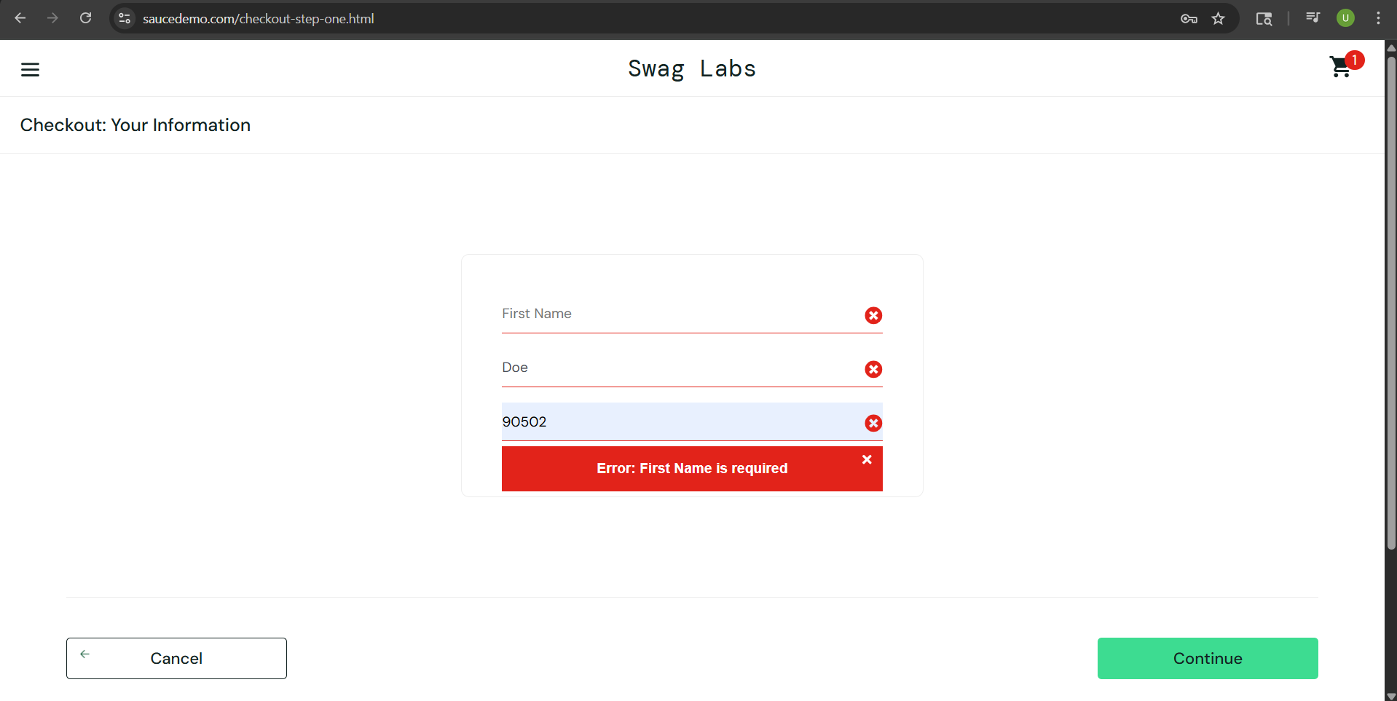
Test case description- Invalid checkout with missing First Name
Testcase ID- TC12
Pre-requisite- Items in shopping cart
Steps | Actions | Expected Result | Actual Result
1 | Launch URL @[SauceDemo(saucedemo.com)]
2 | Insert Username @[standard_user]
3 | Insert Password @[secret_sauce]
4 | Click on Add to Cart of item 'Sauce Labs Backpack'
5 | Click on Cart icon
6 | Click on Checkout button
7 | Insert Last Name @[Doe]
8 | Insert Zip/Postal Code @[90502]
9 | Click on Continue button | Error message displayed | Error message displayed

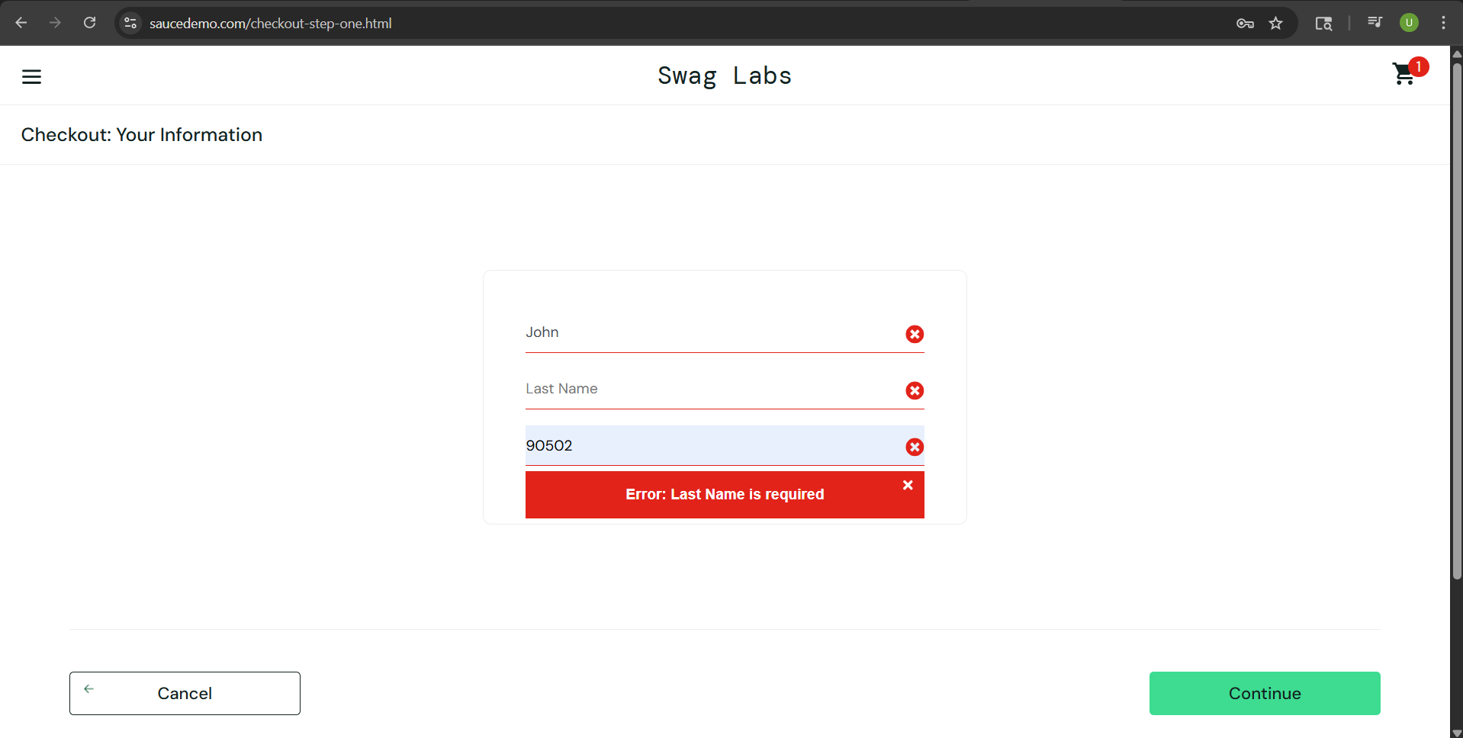
Test case description- Invalid checkout with missing Last Name
Testcase ID- TC13
Pre-requisite- Items in shopping cart
Steps | Actions | Expected Result | Actual Result
1 | Launch URL @[SauceDemo(saucedemo.com)]
2 | Insert Username @[standard_user]
3 | Insert Password @[secret_sauce]
4 | Click on Add to Cart of item 'Sauce Labs Backpack'
5 | Click on Cart icon
6 | Click on Checkout button
7 | Insert First Name @[John]
8 | Insert Zip/Postal Code @[90502]
9 | Click on Continue button | Error message displayed | Error message displayed

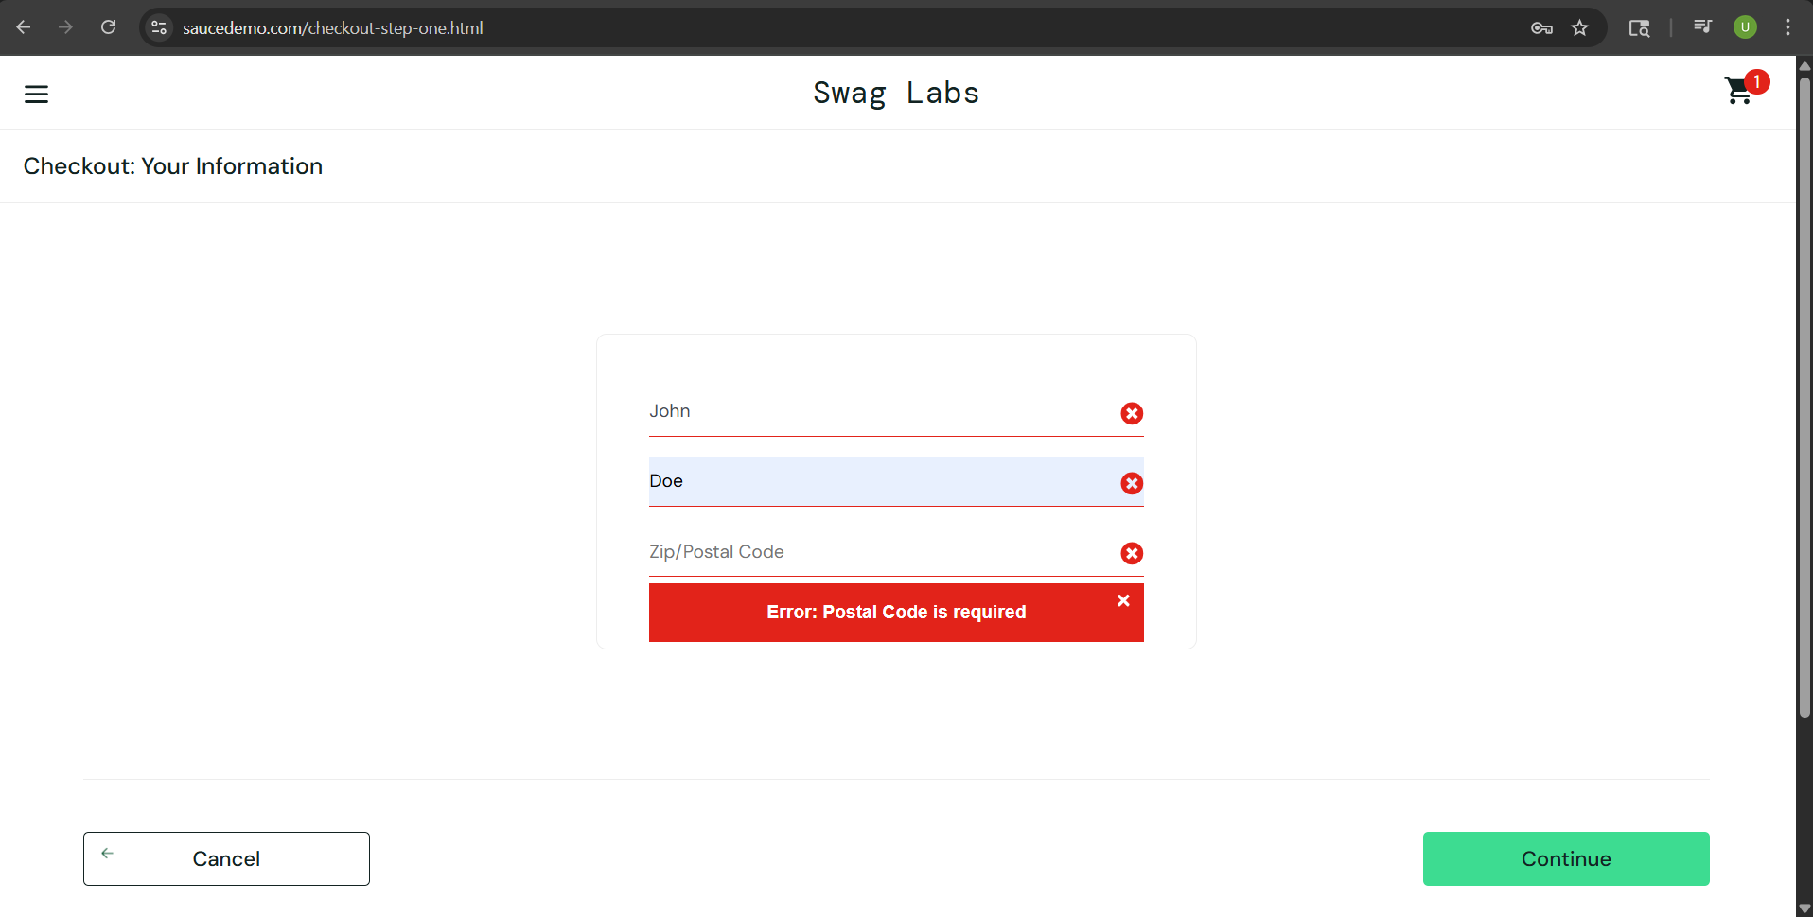
Test case description- Invalid checkout with missing Zip/Postal Code
Testcase ID- TC14
Pre-requisite- Items in shopping cart
Steps | Actions | Expected Result | Actual Result
1 | Launch URL @[SauceDemo(saucedemo.com)]
2 | Insert Username @[standard_user]
3 | Insert Password @[secret_sauce]
4 | Click on Add to Cart of item 'Sauce Labs Backpack'
5 | Click on Cart icon
6 | Click on Checkout button
7 | Insert First Name @[John]
8 | Insert Last Name @[Doe]
9 | Click on Continue button | Error message displayed | Error message displayed


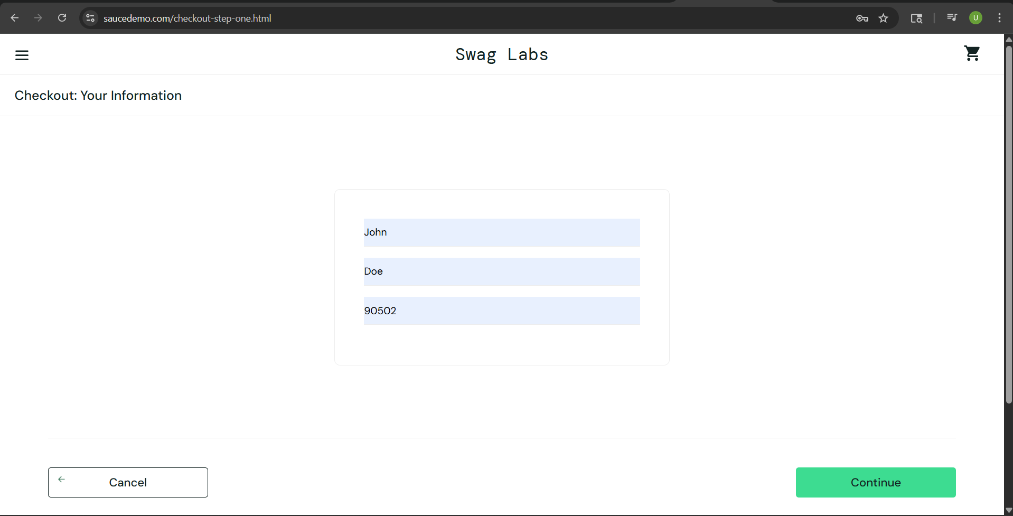
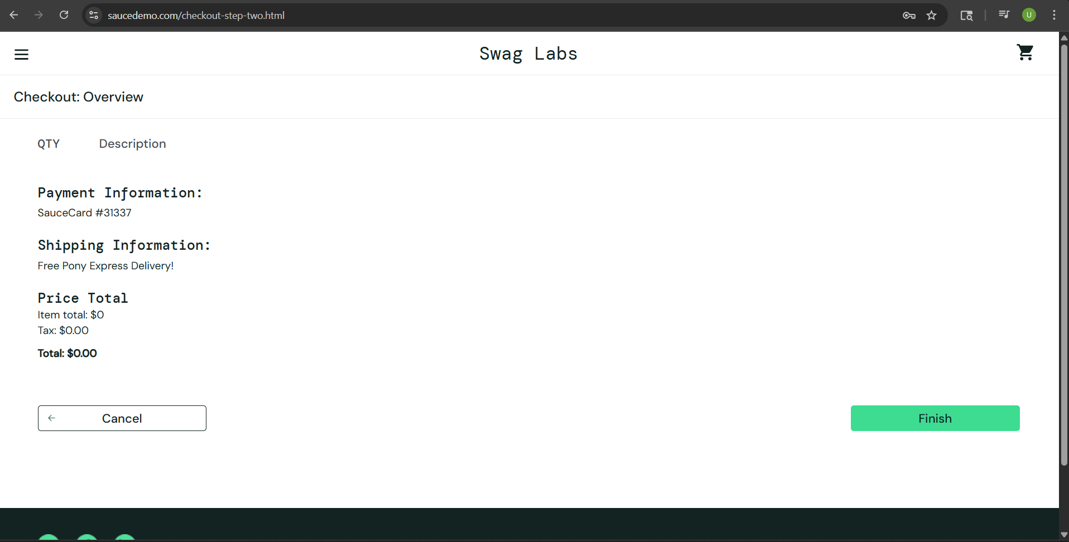
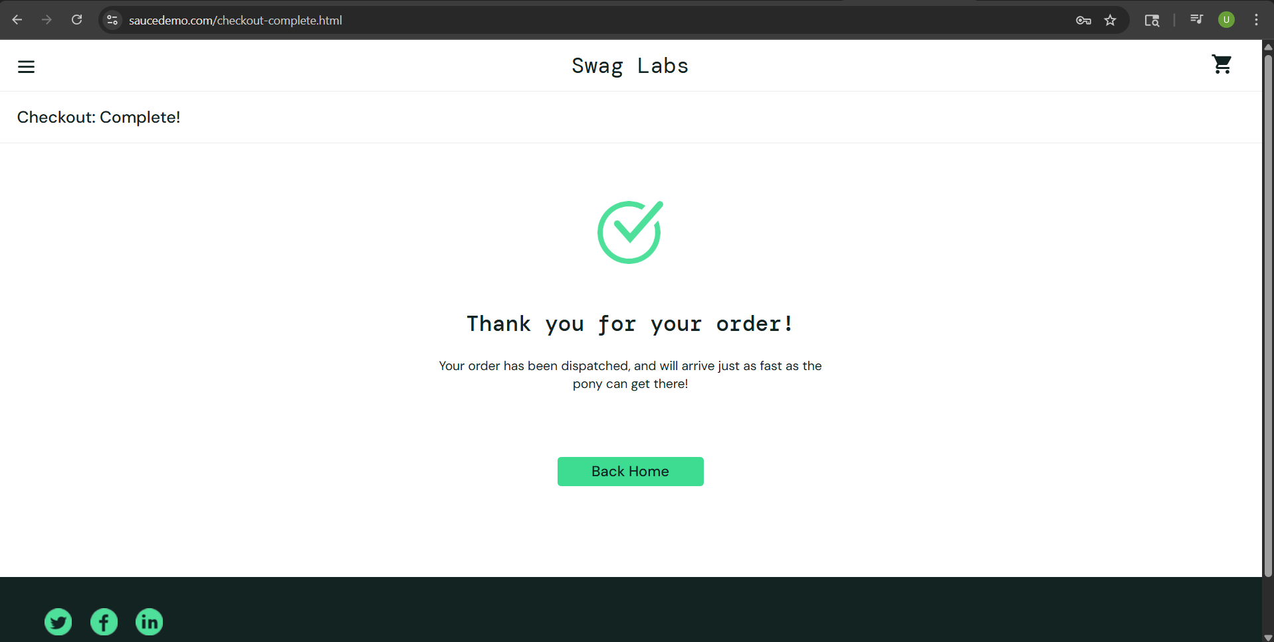
Test case description- Invalid checkout with no items in shopping cart
Testcase ID- TC15
Pre-requisite- Access to the system
Steps | Actions | Expected Result | Actual Result
1 | Launch URL @[SauceDemo(saucedemo.com)]
2 | Insert Username @[standard_user]
3 | Insert Password @[secret_sauce]
4 | Click on Cart icon
5 | Click on Checkout button
6 | Insert First Name @[John]
7 | Insert Last Name @[Doe]
8 | Insert Zip/Postal Code @[90502]
9 | Click on Continue button | Error message displayed | Order confimation message displayed

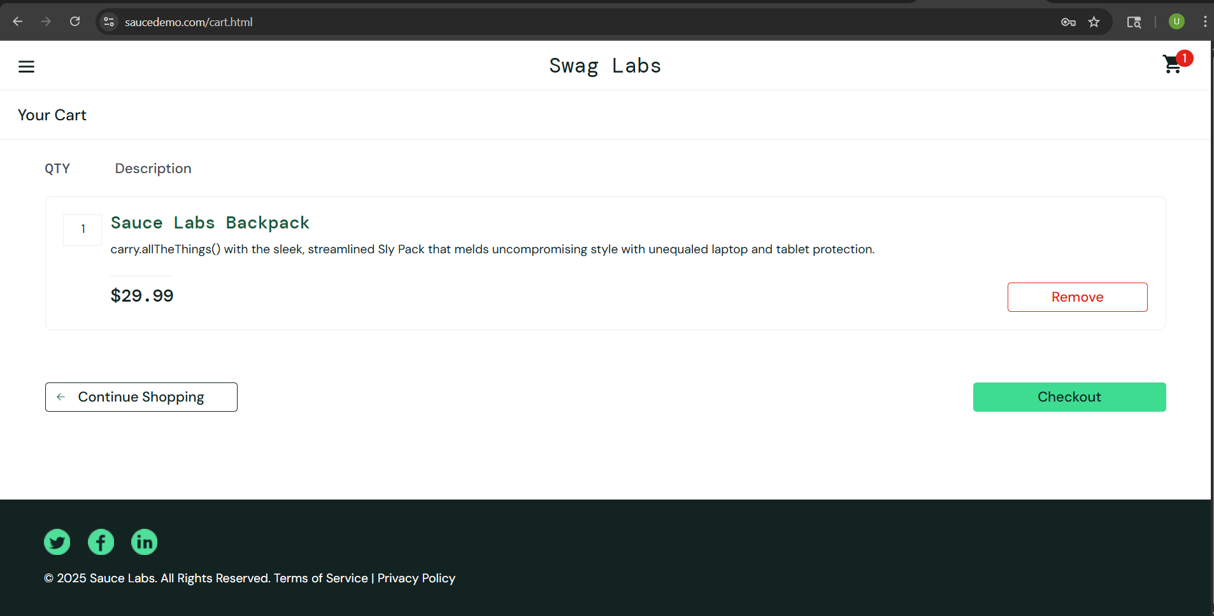
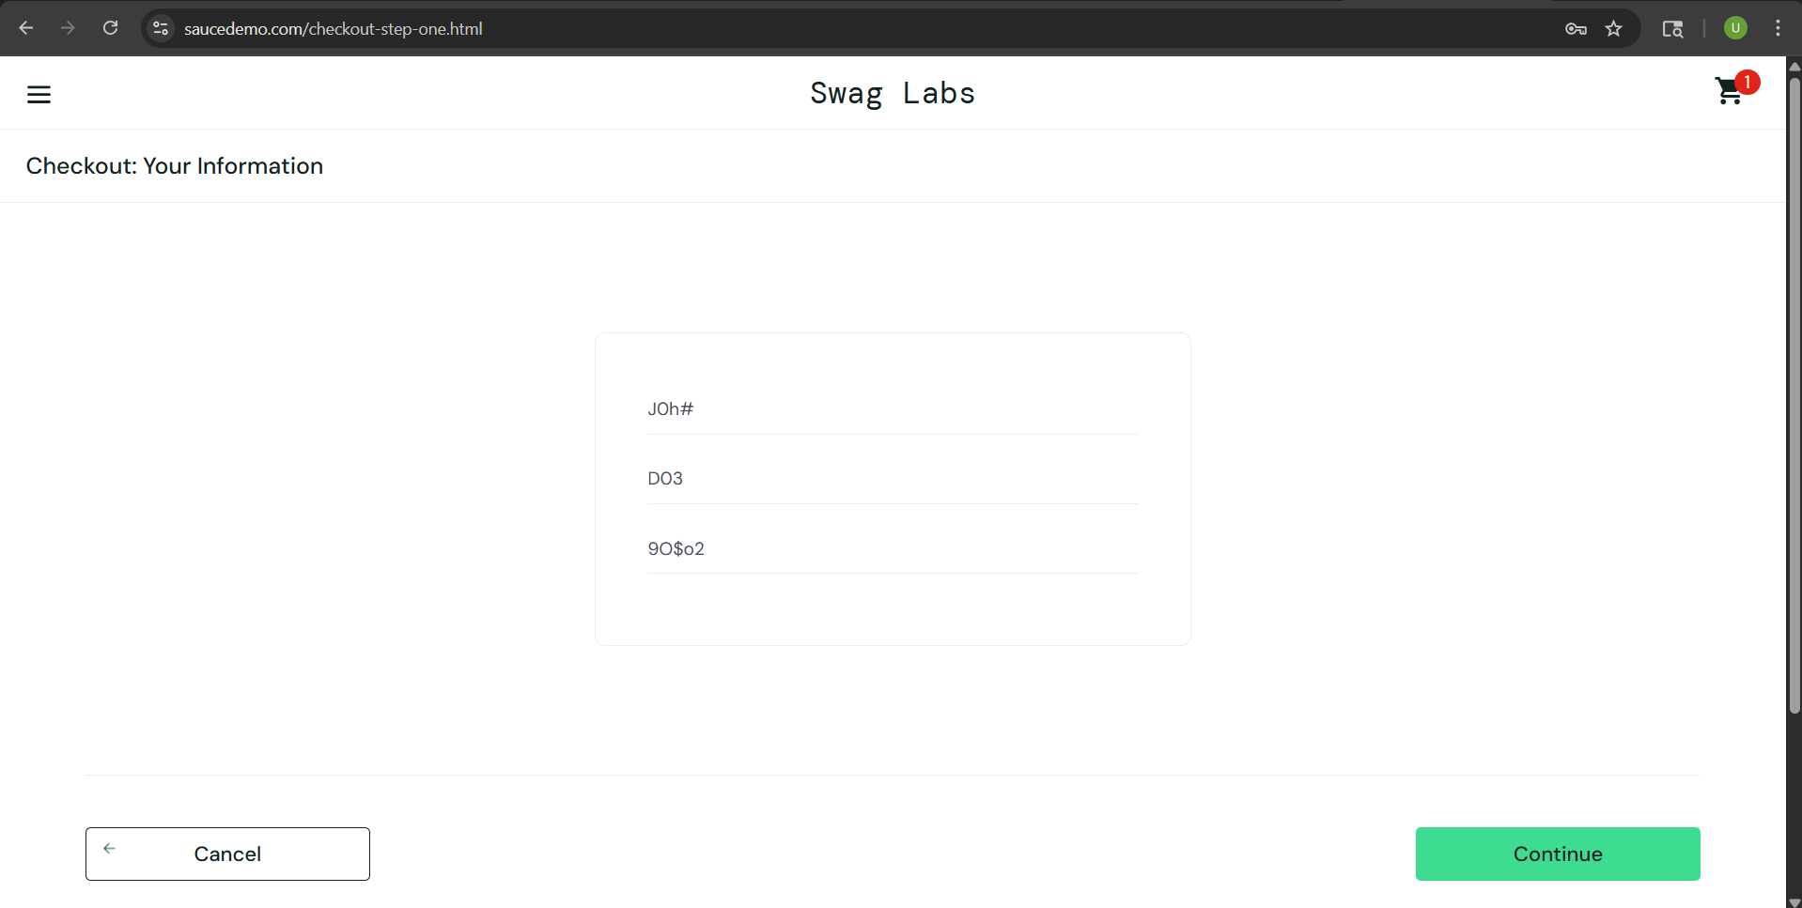
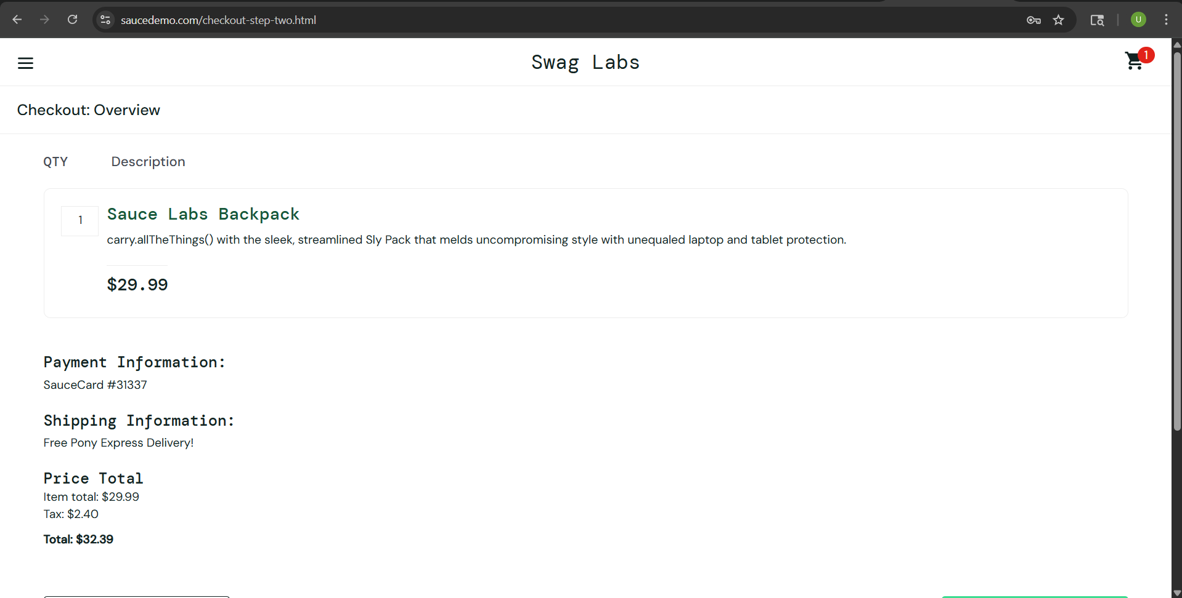
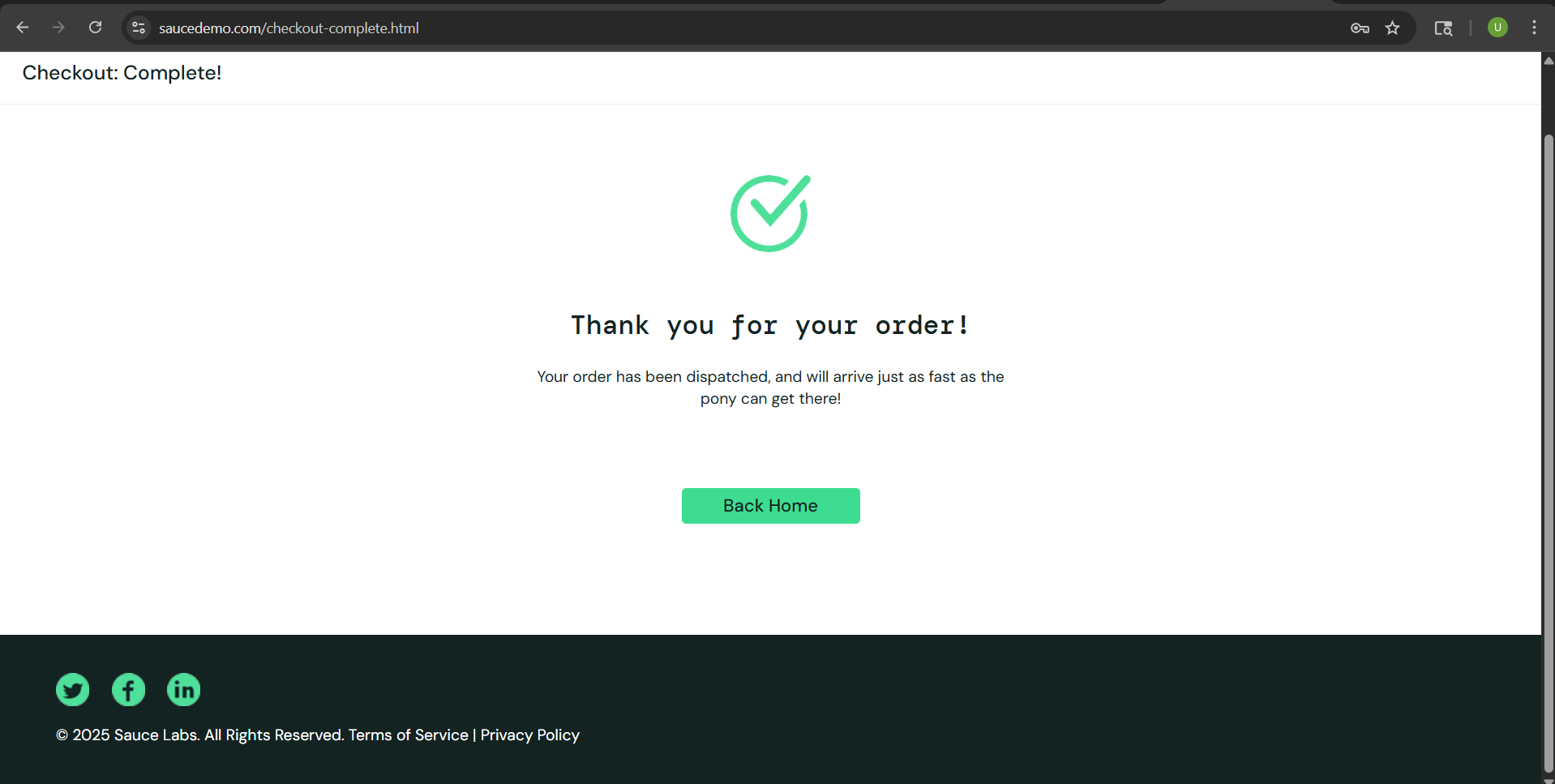
Test case description- Invalid checkout with special characters added to the information
Testcase ID- TC16
Pre-requisite- Items in shopping cart
Steps | Actions | Expected Result | Actual Result
1 | Launch URL @[SauceDemo(saucedemo.com)]
2 | Insert Username @[standard_user]
3 | Insert Password @[secret_sauce]
4 | Click on Add to Cart of item 'Sauce Labs Backpack'
5 | Click on Cart icon
6 | Click on Checkout button
7 | Insert First Name @[J0h#]
8 | Insert Last Name @[D03]
9 | Insert Zip/Postal Code @[9O$o2]
10 | Click on Continue button | Error message displayed | Order confimation message displayed

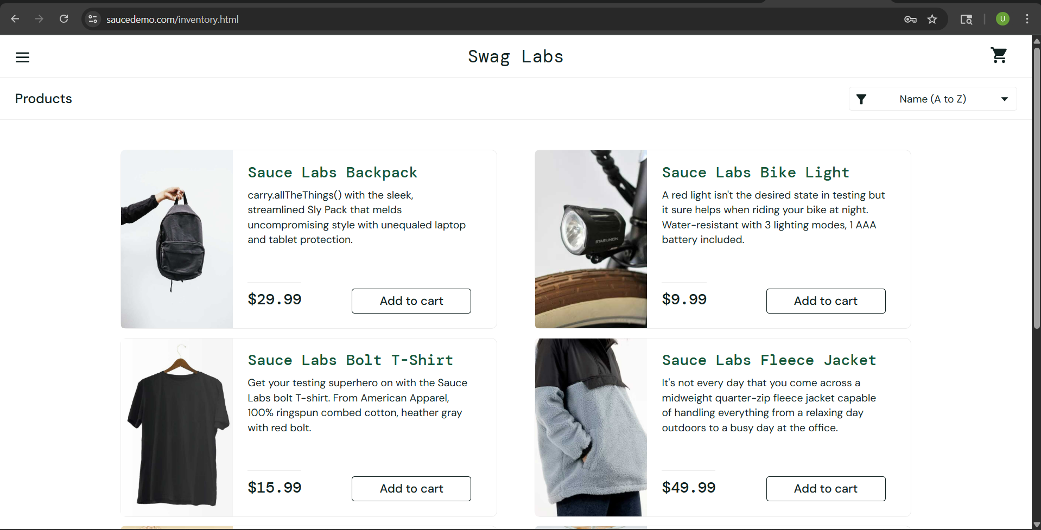
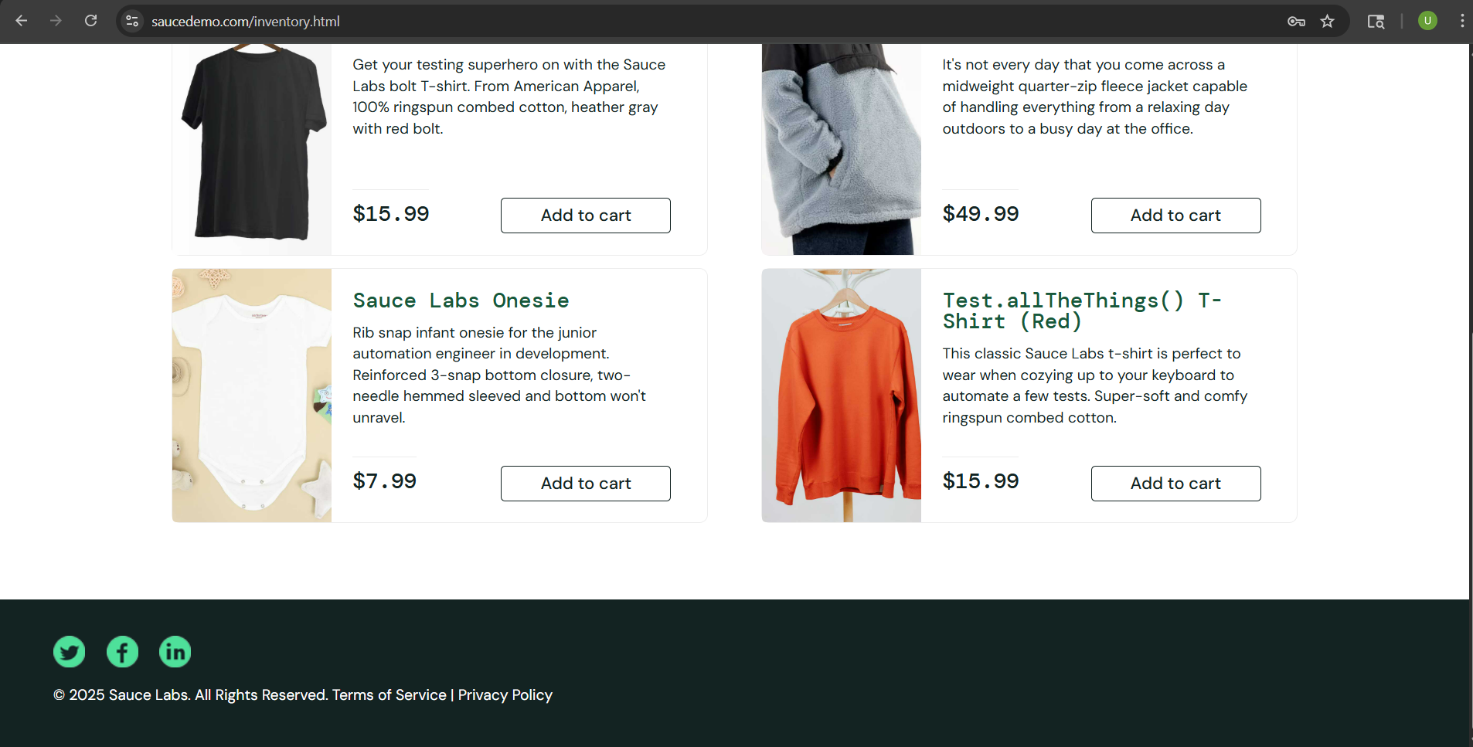
Test case description- Product image is visible
Testcase ID- TC17
Pre-requisite- Access to the system
Steps | Actions | Expected Result | Actual Result
1 | Launch URL @[SauceDemo(saucedemo.com)]
2 | Insert Username @[standard_user]
3 | Insert Password @[secret_sauce]
4 | Click on Login button
5 | Scroll through the Product list | Each item has a visible and loaded image | Each item has a visible and loaded image

Test case description- Product name is visible and correct
Testcase ID- TC18
Pre-requisite- Access to the system
Steps | Actions | Expected Result | Actual Result
1 | Launch URL @[SauceDemo(saucedemo.com)]
2 | Insert Username @[standard_user]
3 | Insert Password @[secret_sauce]
4 | Click on Login button
5 | Scroll through the Product list | Each item has a visible and gramatically correct name | Product name 'Test.allTheThings() T-Shirt (Red)' contains code-like syntax and does not match the standard naming convention used for other products in the list.

Test case description- Product description is visible and correct
Testcase ID- TC19
Pre-requisite- Access to the system
Steps | Actions | Expected Result | Actual Result
1 | Launch URL @[SauceDemo(saucedemo.com)]
2 | Insert Username @[standard_user]
3 | Insert Password @[secret_sauce]
4 | Click on Login button
5 | Scroll through the Product list | Each item has a visible and gramatically correct description | Product desctiption of 'Sauce Labs Backpack' contains code-like syntax and is inconsistent with other product descriptions.

